Sheet1
Sr No. | Name of paper | Author Name | Author's Conclusion | Future Scope | Our Understanding from paper | Important Words | Image | Dataset
1 | Machine Learning-based Algorithms for Weather Forecasting | Ismaila Kolawole Oshodi | This paper presents a weather forecasting model for predicting drizzle, fog, rain, snow, and sun. After reviewing related work and developing the model, the Gaussian Naive Bayes algorithm showed the highest accuracy, offering useful guidance for meteorologists in their forecasting tasks.(Accuracy:-84.15%) | The model did well, but it can be even better by using data from more cities, adding more details, and more advanced technique to get the data ready. The model can also be implemented on a neural network to make it more accurate and fast. Continous working might make a weather forecasting system that works in real-time, but it'll take a lot more work. | Weather forecast has big impact on primary as well as secondary sectors.Machine learning enhances weather forecasting by leveraging data-driven methods to analyze complex meteorological data, improving prediction accuracy and overcoming limitations of traditional physical models. Author implemented 4 classifier algorithms which include Random Forest classifier, Decision Tree Algorithm,Gaussian Naïve Bayes model, Gradient Boosting Classifier for weather forecasting model. Each algorithm is explained in few words. Models trained with 75% of the data and evaluated on the remaining 25% . | NWP:-Numerical weather prediction | 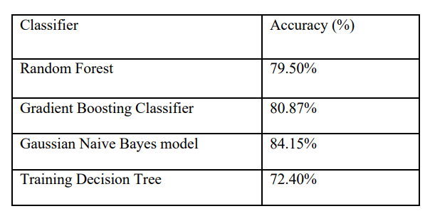 | Dataset contains contains 1461 rows and 6 columns, columns are Date, Precipitations, Temp_max,Temp_min,Wind,Weather but in data preprocessing Date column is dropped and weather is target column.
2 | Research on the Applicability of Weather Forecast Model—Based on Logistic Regression and Decision Tree | Feiyang Deng | In simple terms, the logistic regression and decision tree models predict rain similarly, but logistic regression has a slightly higher accuracy, as shown by its higher ROC area. Logistic regression considers multiple factors like area, wind speed, humidity, etc., indicating a good understanding of overall trends. On the other hand, the decision tree focuses more on humidity and wind speed, suggesting a better grasp of specific patterns. Overall, logistic regression is better suited for large datasets due to its comprehensive understanding of the data. | Not Mensioned | In-depth research on the topic of climate prediction have made models like time series ARIMA model established. Studies indicate that method that combines factor analysis and stepwise regression reached a good long-term prediction level. Binary classification problem of whether it rains studied in this paper. Logistic regression suitable for the condition that the dependent variable y only has two possible usually 1 and 0. If values value of the independent variable does not belong to [0,1], the independent variable undergoes the logit transformation to make its value range in [0,1] (refer research paper for formula). A decision tree is a classification model that uses a tree-like structure to make decisions based on input features, where each internal node represents a feature, each branch represents a decision outcome, and each leaf node represents a final classification result. Decision tree contains entropy which show diversed data.The classification tree uses the Gini index to select the optimal feature. The one with the smallest Gini index is the optimal feature. Decision trees are pruned to avoid overfittting. 7: 3 ratio for building a model. priori probability of rain tomorrow by the sample is 0.225, and the a priori probability of not rain tomorrow is 0.775 . In summary, factors like area, wind speed, humidity, air pressure, cloud cover, temperature, and previous day's rain strongly influence rainfall, while wind direction has a comparatively minor impact.many variables greatly affect whether or not it will rain tomorrow, but this cannot explain which variables have played a key or even decisive role using logistic regression. The accuracy of the model on the training set and the test set reached 87.46% and 84.95%, respectively.While building model using decision tree the 10-fold cross-validation method used , set the minimum sample number of leaf nodes to 30. set the a priori probabilities to 0.775 and 0.225, respectively, and use informat |  |  | 140,000 meteorological data from the Australian Meteorological Bureau.(weatherAUS dataset downloaded from the kaggle website). Numerical missing values complemented by the mean and remaining sub-type variables are filled with the "Missing" type.
3 | Weather Prediction System Using KNN Classification Algorithm | Yousif Elfatih Yousif | This paper highlights the effectiveness of data mining techniques, particularly the K-NN algorithm, in weather prediction, specifically for temperature and humidity. Comparisons between predicted and actual values demonstrate the algorithm's strong performance, suggesting its potential as an alternative to traditional meteorological approaches. Given the emphasis on accuracy and timely output in weather forecasting, leveraging data mining methods like K-NN holds promise for enhancing predictive capabilities in this domain. | Not Mensioned | Data mining is a powerful approach that blends statistics, math, and computer software to analyze data from various angles, uncovering patterns, and correlations useful for predicting outcomes. It finds applications in diverse fields like sales analysis, healthcare, production control, finance, and weather forecasting. Two main methods in data mining are Description Methods(unsupervised) , which identify patterns within data through techniques like clustering, association rule discovery, and sequential pattern discovery; and Prediction Methods(supervised) , which use real variables to forecast future values using techniques like classification, regression, and deviation detection. In weather prediction, methods like k-Nearest Neighbors algorithm utilize past weather data to predict current weather conditions based on similarities with previous observations.KNN algorithm at the training phase just stores the dataset and when it gets new data, then it classifies that data into a category that is much like the new data. Despite challenges posed by complex weather phenomena, continuous improvement in prediction methods is crucial for accurate forecasting.
4 | Weather Forecasting Using the Random Forest Algorithm Analysis | Abyson Mathew , Dr. Juby Mathew | Comparative analysis was made by the Random Forest algorithm with the dataset comprising of 8 weather parameters collected over the different period of last year. This outcome is predicted since the Random Forest concept allows it to construct many trees by selecting parameters at random, resulting in a highly accurate classifier. We can forecast the rain for the following year using this random forest technique | Not mensioned | Traditional weather forecasting systems are more time consuming and less effective so author uses machine learning techniques like as random forest classifications to study portable of weather forecasting systems.The major goal of project is to create a weather forecasting system that can be used in remote places. In random forest classification two or more machine learning models are integrated to generate a single model . Random forest classification combines multiple decision trees to create a single powerful model by training on the dataset and aggregating the results of individual trees. A random forest algorithm constructs multiple decision trees using random subsets of data and features. Each tree independently predicts the class of new data points, and the final prediction is based on the majority vote of all the trees in the forest. This ensemble approach helps improve the accuracy and robustness of the model, making it a powerful tool for classification tasks. |  | 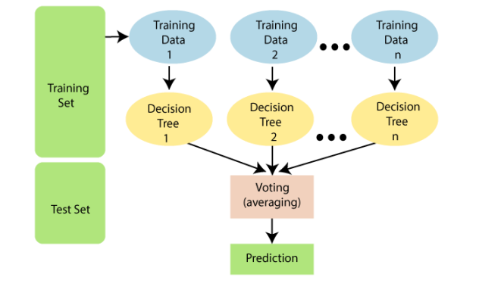 | Data Collection and Retrieval- Kaggle provided the data for the research project The CSV file included fields such as Formatted Date, Summary, Temperature in degrees Celsius The apparent temperature in degrees Celsius, Wind Speed is measured in kilometres per hour, Wind Bearing is measured in degrees, and Visibility is measured in kilometres
5 | WEATHER PREDICTION USING MACHINE LEARNING | DR. UDAY PATKAR, MR. SANSKAR MASKE, MR. SAFFA AHMAD, MR. RUSHIKESH MENGADE, MR. GAURAV SADAWARTI | Every algorithm has advantages and disadvantages; selecting the ideal algorithm is tough. After studying numerous supervised learning models for the weather dataset, it was determined that the Naive Bayes Bernoulli classification algorithm had a commendable level of accuracy and acceptance. We intend to use more low-cost devices in the future, such as temperature and humidity sensors. The number of parameters in the training dataset could be increased by sensors. This information will help our prediction models perform better. The amount of accuracy and prediction depends heavily on the data provided as input for categorization and prediction | Not Mensioned | weather forecasting plays vital role in various fields so advanced tools and technologies are used to analyse more accurate weather predictions.Data is processed in pre-processing step to reduce the fundamental challenges in weather prediction due to poor data quality. The data set's missing values are filled by utilising various ways. Various supervised algorithms like Naive Bayes Bernoulli, Logistic Regression, Naive Bayes Gaussian, and KNN are executed. For textual data analysis Naive Bayes classifier produces more accurate results. The Logistic Regression (LR) algorithm establishes the relationship between independent factors and a binary category dependent variable, resulting in binary classification output. The Gaussian Naive Bayes algorithm is a specific type of Naive Bayes algorithm used when the features in the dataset have continuous values. The Naive Bayes Bernoulli model has the highest accuracy, precision, recall when compared to other models. |  |  | Parameters:- temperature, rainfall, evaporation, sunshine, wind speed, wind direction, cloud, humidity, and dataset size
6 | Classification Based on Decision Tree Algorithm for Machine Learning | Bahzad Taha Jijo, Adnan Mohsin Abdulazeez | Decision tree classifiers are known for their enhanced view of performance outcomes. Because of their strong precision, optimized splitting parameters, and enhanced tree pruning techniques (ID3, C4.5, CART, CHAID, and QUEST) are commonly used by all recognized data classifiers. The separate datasets are used for training samples from a huge data set, which in tum, affects the precision of the test set. Decision trees have several possible concerns about robustness, an adaptation of scalability and optimization of height. But, in contrast to other methods of data classification, decision trees create an efficient rule collection that is simple to understand. This paper reviews the most recent researches that are conducted in many areas, such as analysis of medical diseases, classification of texts, classification of user smartphones and images, etc. Furthermore, the details used in the techniques/algorithms, datasets were used by the authors and achieved outcomes related to the accuracy are summarized for decision trees. Finally, the best accuracy achieved for the decision tree algorithm is 99.93% when it uses a machine learning repository as a dataset | Not Mensioned | Machine learning is the study of computational algorithms that are enhanced from experience automatically and most prominent use of ML is predictive data mining. Classification attempts to predict the goal class with the highest precision (d). If the data set is properly classified and contains the minimum number of nodes, then using the decision tree method is optimal (d). Until the leaf node acheives the boolean value data seperation continues . Mainly for grouping purposes, DT is used. Moreover, DT is a usually utilized classification model in Data Mining (d). Each node represents features in a category to be classified and each subset defines a value that can be taken by the node (d). Entropy is the impurity or randomness of dataset, better to have value near to 0. Most widely used decision tree algorithms include Successor of ID3 (C4.5), Classification And Regression Tree(CART) , CHi-squared Automatic Interaction Detector(CHAID) , Quick, Unbiased and Efficient Statistical Tree (QUEST) .Information gain intuitively informs how much knowledge of a random variable's value (d). It's better to have high value of Information Gain. For more complex training sample decision tree becomes complex. Author's summarize various research work done for decision tree classification and DT approach was used to resolve dataset weaknesses and to obtain better performance.The most significant algorithm for enhancing decision tree efficiency is the genetic algorithm(d). |  |  | Various dataset comparison in literature review

